Sheet1
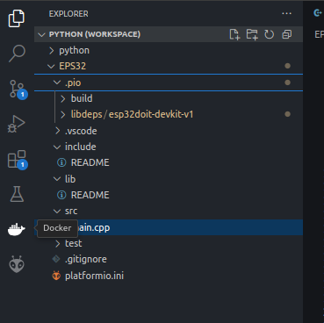
1/ | project wizard
new project | name: | ESP32
 | board: | ESP32 DOIT-DEVKIT-V1
 | framework | arduino

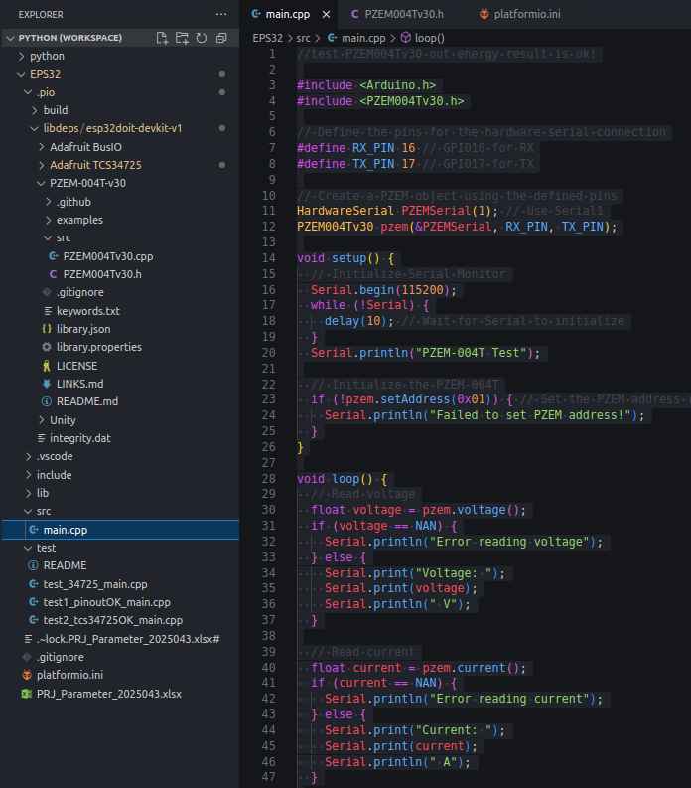
2/ | create new program with name”main.cpp”
src | main.cpp

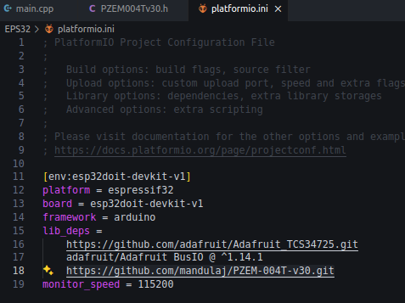
3/ | platformio.ini
program start | lib_deps= https://github.com/mandulaj/PZEM-004T-v30.git
 | monitor_speed = 115200

 | use github project can download the lib
 | then compiling will success

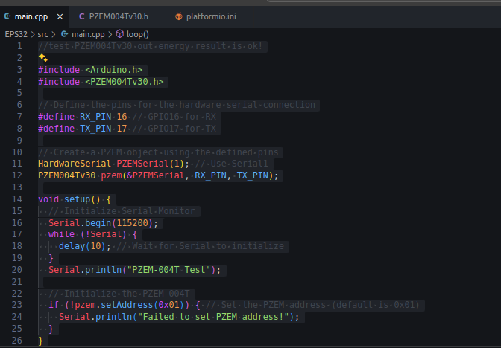
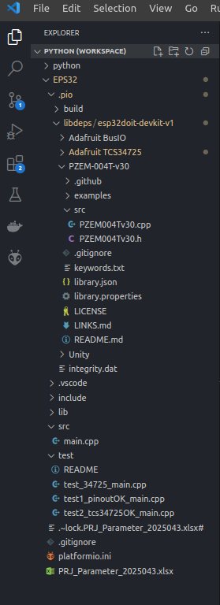
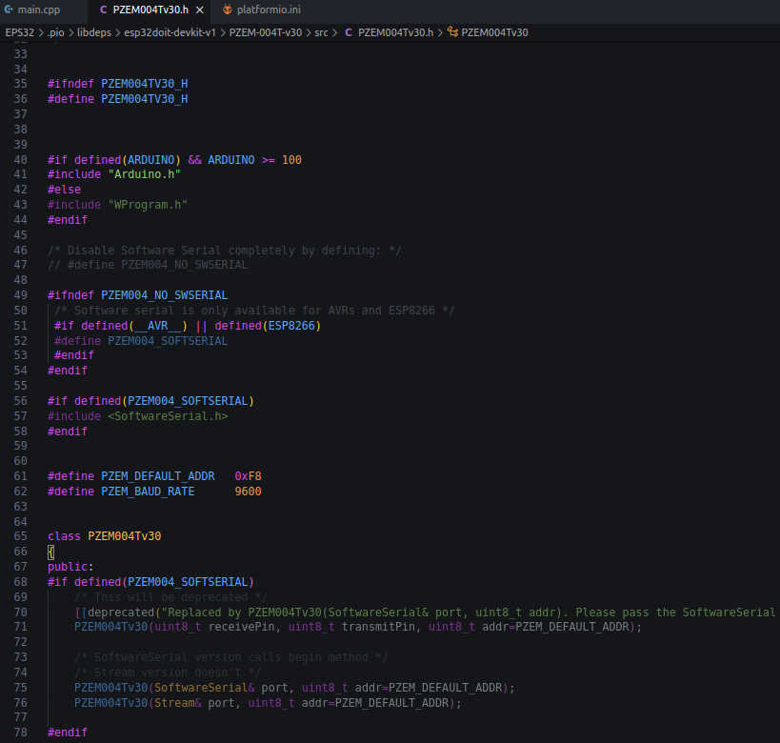

 | include
 | define

 | compiling

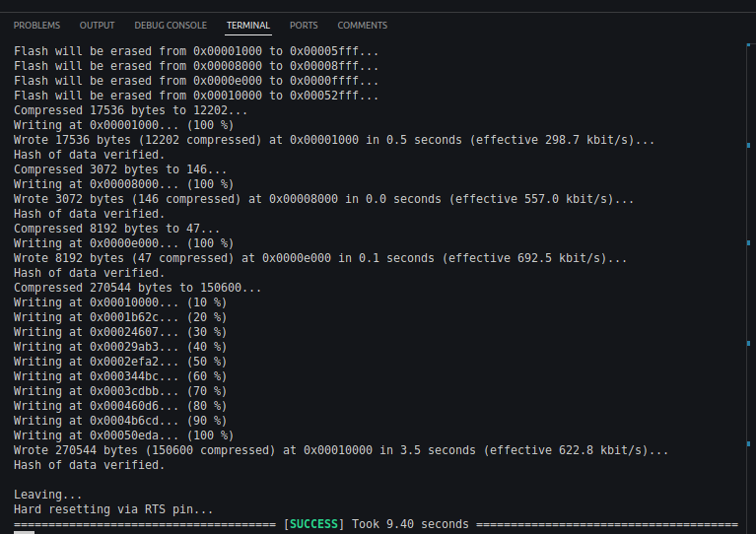

//test PZEM004Tv30 out energy result is ok!
#include <Arduino.h>
#include <PZEM004Tv30.h>
// Define the pins for the hardware serial connection
#define RX_PIN 16 // GPIO16 for RX
#define TX_PIN 17 // GPIO17 for TX
// Create a PZEM object using the defined pins
HardwareSerial PZEMSerial(1); // Use Serial1
PZEM004Tv30 pzem(&PZEMSerial, RX_PIN, TX_PIN);
void setup() {
// Initialize Serial Monitor
Serial.begin(115200);
while (!Serial) {
delay(10); // Wait for Serial to initialize
}
Serial.println("PZEM-004T Test");
// Initialize the PZEM-004T
if (!pzem.setAddress(0x01)) { // Set the PZEM address (default is 0x01)
Serial.println("Failed to set PZEM address!");
}
}
void loop() {
// Read voltage
float voltage = pzem.voltage();
if (voltage == NAN) {
Serial.println("Error reading voltage");
} else {
Serial.print("Voltage: ");
Serial.print(voltage);
Serial.println(" V");
}
// Read current
float current = pzem.current();
if (current == NAN) {
Serial.println("Error reading current");
} else {
Serial.print("Current: ");
Serial.print(current);
Serial.println(" A");
}
// Read power
float power = pzem.power();
if (power == NAN) {
Serial.println("Error reading power");
} else {
Serial.print("Power: ");
Serial.print(power);
Serial.println(" W");
}
// Read energy
float energy = pzem.energy();
if (energy == NAN) {
Serial.println("Error reading energy");
} else {
Serial.print("Energy: ");
Serial.print(energy);
Serial.println(" kWh");
}
// Read frequency
float frequency = pzem.frequency();
if (frequency == NAN) {
Serial.println("Error reading frequency");
} else {
Serial.print("frequency: ");
Serial.print(frequency);
Serial.println(" hz");
}
// Read pf
float pf = pzem.pf();
if (pf == NAN) {
Serial.println("Error reading pf");
} else {
Serial.print("pf: ");
Serial.print(pf);
Serial.println(" ");
}
// Wait 1 second before the next reading
delay(2000);
}
 | code


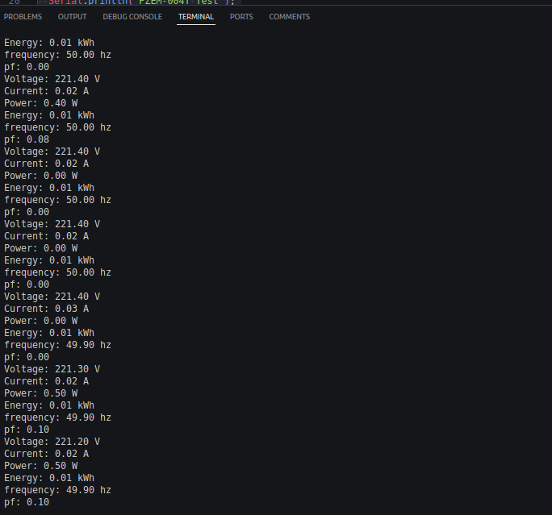
 | result

